Sheet1
Pugh Matrix
Criteria | Improving last year Simulation | Drone + Camera | Static Camera | Turtles | Weight
Ease of development(parallel and sequential) and testing | 0 | -5 | -3 | -2 | 3 | instructions for the team to fill:
Easy to achieve stakeholders Concern | 0 | 5 | 1 | 3 | 5 | please fill the rows with integer values from -5 to 5, -5 taking the relative worst and 5 taking the relative best
Easy to implement high number of rules | 0 | 5 | -1 | 2 | 2
Reliable(fairness, positive feedback) | 0 | 3 | 4 | 2 | 3
Ease of assembly | 0 | -5 | 4 | 2 | 2 | ref for the Turtles: https://www.tue.nl/en/news/features/soccer-robots/
Hard to bias the infractions | 0 | 5 | -1 | -5 | 4
Learning goals fulfillment | 0 | 5 | 2 | 4 | 2 | additional info:
Easy to create interface between components | 0 | -5 | 2 | 3 | 3 | 1 - parallel gets more score and easy to test gets more score
Easy to mantaing high level of Abstraction(or Autonomy) in the system (how deep we go into the system) | 0 | -5 | 0 | 5 | 5 | 11 - how components talk to one other, how they have to be connected and complexity in type of information that they exchange.
Easy to create data collection and processing | 0 | 4 | -1 | 4 | 4 | 13 - less no. of tools or programming languages get good marks
Reduced number of platforms, tools or programing languages used | 0 | -5 | -2 | -3 | 2 | 12 - Abstraction or Autonomy- how deep we go into these individual blocks?
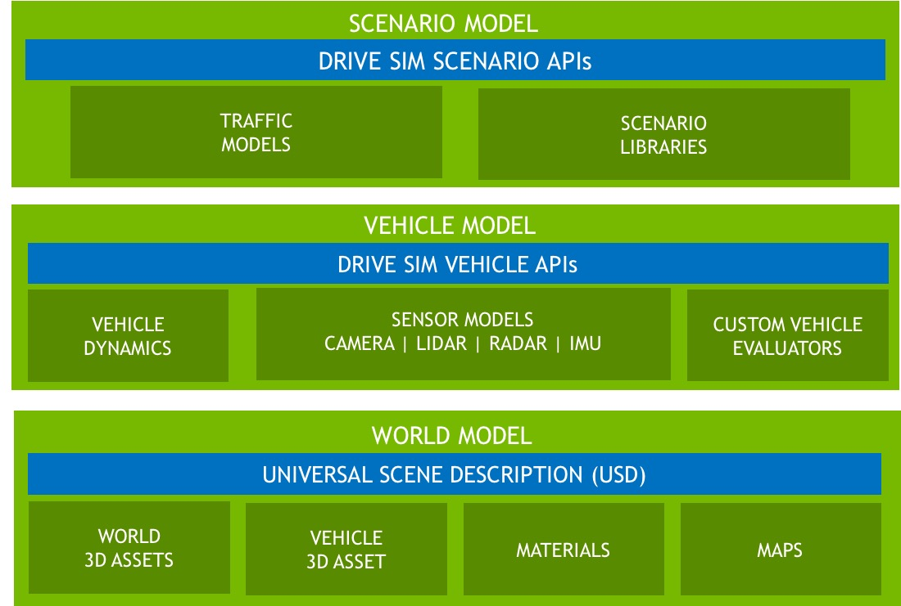
Total | 0 | 2 | 5 | 15
Total with weights | 0 | 15 | 12 | 55

 |  |  |  |  |  | ref for the image: https://arxiv.org/ftp/arxiv/papers/1910/1910.06075.pdf

